Noise spectrum
Graphs
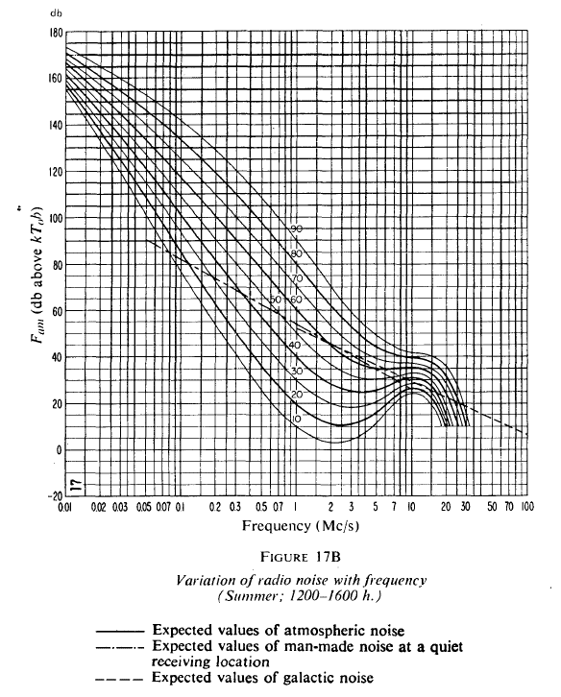

 |  | CCIR report 322 includes graphs like this

 | <-- | Galactic on 50MHz abt 13dB
 |  | Measured in KP10 on 24.6.2020 F=13.5dB

 | <-- | Galactic on 28MHz abt 18dB
 |  | Measured in KP10 on 24.6.2020 F=17.4dB

